PACKING LIST
 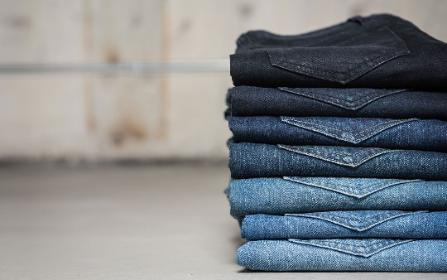
STYLE | SIZE |  |  |  |  |  | TOTAL
 | 3 to 4 | 5 to 6 | 7 to 8 | 9 to 10 | 11 to 12 | 13 to 14
S-04222 | 8 | 16 | 24 | 24 | 16 | 4 | 92
S-04274 | 12 | 24 | 36 | 36 | 24 | 12 | 144
S-04220 | 16 | 32 | 48 | 48 | 32 | 16 | 192
PA04/111 | 12 | 24 | 36 | 36 | 24 | 12 | 144
S-04262 | 12 | 24 | 36 | 36 | 24 | 12 | 144
PA04/96 | 16 | 32 | 48 | 48 | 32 | 16 | 192
S-04227 | 24 | 48 | 72 | 72 | 48 | 24 | 288
PA04/97 | 24 | 48 | 72 | 72 | 48 | 24 | 288
PA04108 | 24 | 48 | 72 | 72 | 48 | 24 | 288
S-03201 | 20 | 40 | 60 | 60 | 40 | 20 | 240
PA04/98 | 16 | 32 | 48 | 48 | 32 | 16 | 192
S-04193 | 20 | 40 | 60 | 60 | 40 | 20 | 240
PA04/109 | 20 | 40 | 60 | 60 | 40 | 20 | 240
PA04/113 | 28 | 56 | 84 | 84 | 56 | 28 | 336
 | 252 | 504 | 756 | 756 | 504 | 248 | 3020

Click this link to view the photos: https://drive.google.com/drive/folders/147SWX8e_0ED1gMxlR7ZjTcH_YbYRjIl7?usp=sharing

